EC methodology
Source: European Data Portal Initiative of the European Commission. Sustainability of (Open) Data Portal Infrastructures, Open Data Portal Assessment Using User-Oriented Metrics. Eric Costa, Elena Simperl, Johanna Walker. Publications Office of the European Union. Luxembourg: University of Southampton European Data Portal, 2020. Online Report, doi: 10.2830/51660. Accessed: 09/21/2022

Metric point system | Data portal gets a point if they follow the criteria …I would change stars and bulletpoints to 1.2.3.4.5…
m1 | Organized for use: • Each dataset is accompanied by a comprehensive descriptive record (going beyond a collection of structured metadata). • An extract of the data can be previewed (for easier sense making). • The portal provides recommendations for related datasets. • The portal enables users to review/rate the datasets. • Keywords from datasets are linked to other published datasets.
m2 | promote use: • The portal is connected with social media to create a social distribution channel for open data. • The portal provides users with online support for feedback, to request/suggest the publication of new datasets, and when problems arise during use (e.g. contact form, discussion forum, FAQs, helpdesk, search tips, tutorials, demos). • The portal provides a way for users to keep informed of updates to the data (e.g. news feed). • Datasets are accompanied by links or resources that provide user guidance and support. • Examples of reuse (fictitious or real) are provided (e.g. information contributed by other users, last reuse, best reuse, data stories).
m3 | be discoverable: The publisher/owner of the data has an open data portal (or similar search mechanism). • The publisher/owner of that portal publishes an updated, searchable list of datasets. • The publisher/owner of that portal publishes an updated, searchable list of datasets with synonyms. • The publisher/owner of that portal publishes a list of datasets which are known to exist but are not currently available (limiting the time wasted on abortive searches).
m4 | publish metadata: ★ Metadata Ignorance. ★★ Scattered or Closed Metadata. ★★★ Open Metadata for Humans. ★★★★ Open Reusable Metadata. ★★★★★ Linked Open Metadata. | is this relevant to participation??
m5 | be measurable: Metric for “Be Measurable” A possible scale for the user-centred principle of “Be Measurable” might be (with increasing value): 1. Portal has No analytics. 2. Portal has Site analytics. 3. Portal has Use analytics. 4. Portal has Impact analytics.
m6 | Co-locate tools: 1. The portal does not provide visualisation or collaboration tools for users to engage with the datasets. 2. The portal provides visualisation tools to enable users to engage with the datasets. 3. The portal provides visualisation and collaborations tools to enable users to participate in the governance of the portal (e.g. dataset rating) but the engagement with other users is limited or mediated by the administrator. 4. The portal provides visualisation and collaborations tools to enable users to collaborate innovatively with other users.
m7 | Be accessible: • The portal uses human and machine-readable and non-proprietary formats (e.g. CSV, XML, RDF-based formats). • The portal provides different types of formats for the same dataset. • The mechanisms for accessing and interacting with datasets are documented. • Multilingual support is available on the portal. • The portal supports the visually and hearing impaired.

visualizations on how this metric system was created
 | 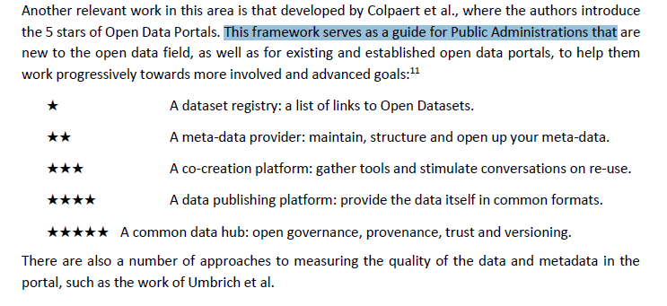 Sustainability of (Open) Data Portal Infrastructures, Open Data Portal Assessment Using User-Oriented Metrics. PAGE 6

 | 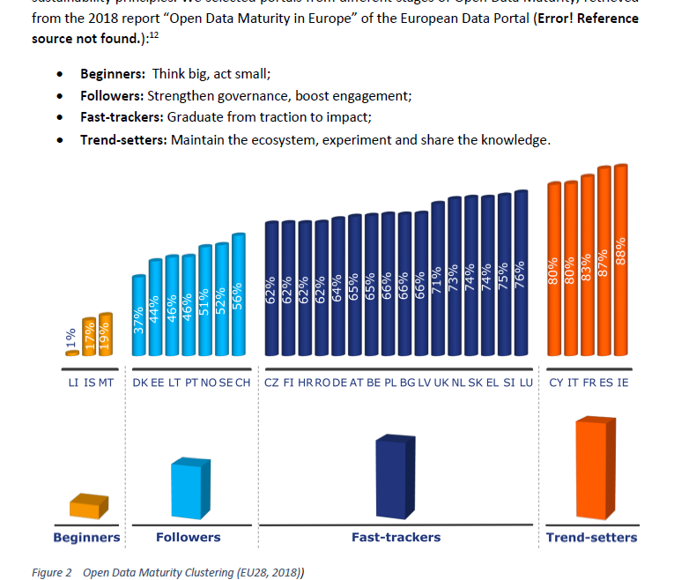 Sustainability of (Open) Data Portal Infrastructures, Open Data Portal Assessment Using User-Oriented Metrics. PAGE 8

